Dashboard

Player of the Tournament
Sanju
Samson
Total Sixes
780
Title Winner
Most Runs
Most Wickets
Sahibzada Farhan
Jasprit Bumrah
India

 | Total
Chasing Wins | 23
Defending Wins | 29
No Result | 2
Super Over | 1
SELECT BATSMEN
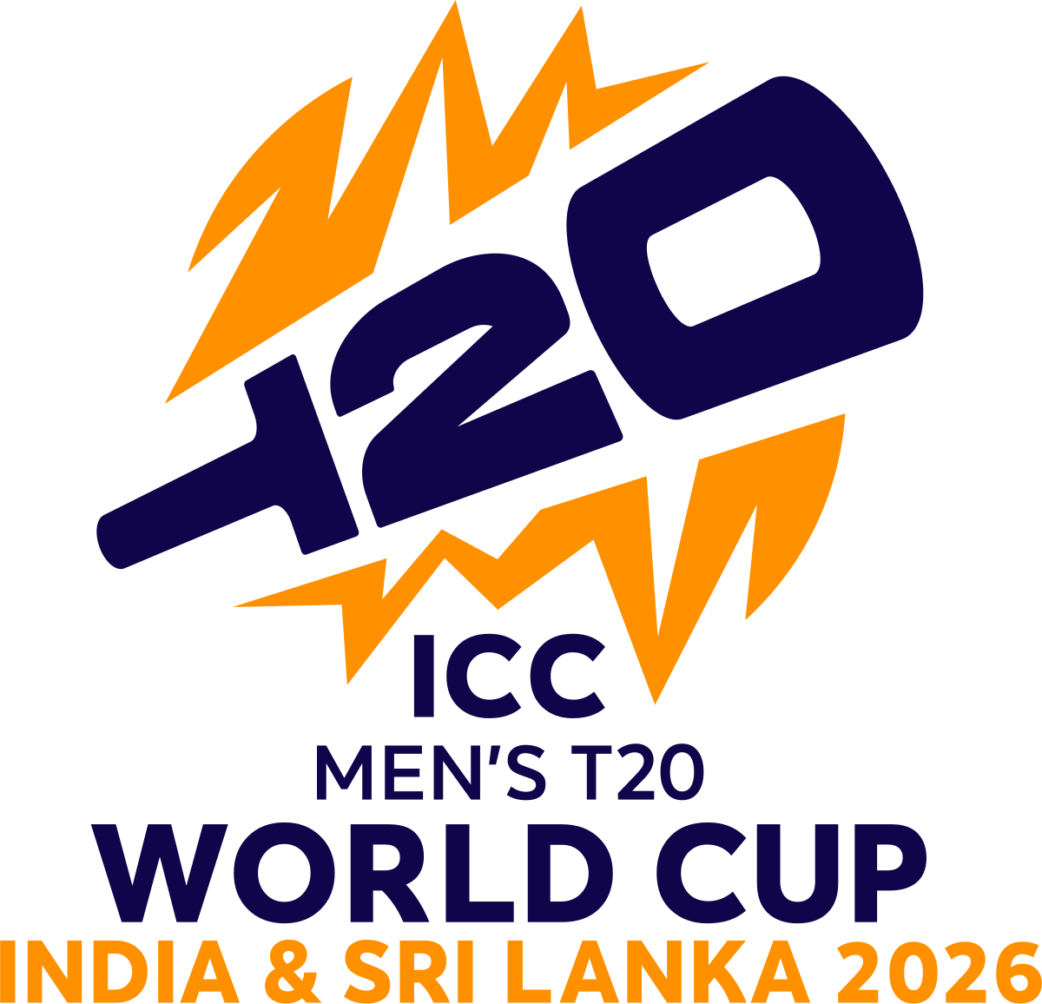
SELECT BOLWER

T20 World Cup 2026 Analysis

Average
RUNS
STRIKE RATE
6s
4s
WICKETS
ECONOMY
4W HAUL

226
155.17
9
18
9
7.54
0
23.44

Matches Won by Each Team
Did toss winner also win?
 | Total
India | 8
South Africa | 7
England | 6
West Indies | 5
New Zealand | 5
Pakistan | 4
Sri Lanka | 3
Zimbabwe | 3
Australia | 2
USA | 2
No Result | 2
Afghanistan | 2
Ireland | 1
UAE | 1
Netherlands | 1
Nepal | 1
Italy | 1
Scotland | 1

 | Total
No | 31
Yes | 22

 | Average Score 1st Inning | Average Score 2nd Inning
Arun Jaitley Stadium | 172 | 155
Eden Gardens | 172 | 145
M.A. Chidambaram Stadium | 165 | 145
Narendra Modi Stadium | 189 | 161
Pallekele Cricket Stadium | 165 | 144
R. Premadasa Stadium | 165 | 145
Sinhalese Sports Club | 175 | 155
Wankhede Stadium | 175 | 158

Highest Team Total in Final
255/5
INDIA
Highest Individual Score in Final
Sanju Samson
(89)
Best Bowling Figures
Romario Shepherd
5/20
Fastest Century
Finn Allen
33 Balls

